meta
Commander | počet
Daretti, Scrap Savant | 4
Jenara, Asura of War | 3
Rafiq of the Many | 3
Animar, Soul of Elements | 3
Anafenza, the Foremost | 3
Marath, Will of the Wild | 2
Wydwen, the Biting Gale | 2
Merieke Ri Berit | 2
Geist of Saint Traft | 2
Grand Arbiter Augustin IV | 2
Narset, Enlightened Master | 2
Mayael the Anima | 1
Vendilion Clique | 1
Skullbriar, the Walking Grave | 1
Grenzo, Dungeon Warden | 1
Dragonlord Ojutai | 1
Braids, Cabal Minion | 1
Surrak Dragonclaw | 1
Thrun, the Last Troll | 1
Tasigur, the Golden Fang | 1
Kaalia of the Vast | 1
Alesha, Who Smiles at Death | 1
Keranos, God of Storms | 1
Karador, Ghost Chieftain | 1
Sygg, River Cutthroat | 1
Seton, Krosan Protector | 1
Prime Speaker Zegana | 1
Korlash, Heir to Blackblade | 1
Captain Sisay | 1
Jace, Vryn's Prodigy | 1
Ephara, God of the Polis | 1
Zurgo Bellstriker | 1
Sidisi, Undead Vizier | 1
Azami, Lady of Scrolls | 1
Skithiryx, the Blight Dragon | 1
Ruhan of the Fomori | 1
Celkový součet | 53

top8
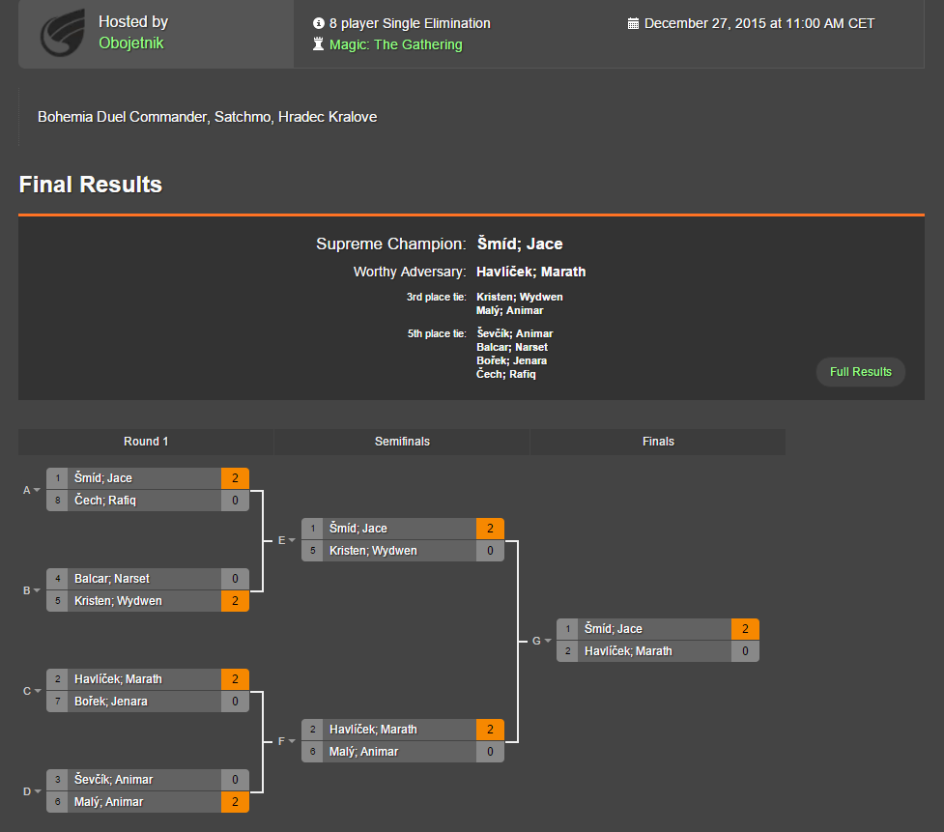
http://challonge.com/dc04hk2015

